Calculations
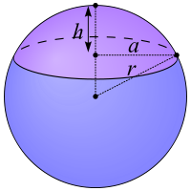
Coordinates of Scale on Drawing |  |  |  |  |  | Not used
lat conversion |  | 363856.52 | ft/deg lat
lon conversion |  | 306749.84 | ft/deg lon

Ө
Scale | 236.27 | ft
 | 122 | ft
Scale by | 0.51635840352 |  |  |  |  |  | a = ((V*6/(pi()*h)-h²)/3)^(0.5)

Coordinates of Corners of Drawing |  |  |  |  |  |  | r | 6371.0 | km (mean radius of earth)
 | lat |  |  | lon |  |  | Ө | 32.9569185 | ⁰
North | 32.959148 | ⁰ | East | -117.220522 | ⁰ |  | a | 5345.7777406 | km =(cos(Ө)*r)
South | 32.954689 | ⁰ | West | -117.229000 | ⁰ |  | C | 33588.512155 | km (circumference at that latitude)
 |  |  |  |  |  |  |  | 110198534.22 | ft
Length | 1622.44 | 2600.63 |  |  |  |  | lat conv |  | ft/⁰
Scaled | 837.76 | 1342.85 |  |  |  |  | lon conv | 306107.0395 | ft/⁰

 | lat |  |  | lon |  |  |  | 307374.05
North | 32.956991442 | ⁰ | East | -117.22462231 | ⁰
South | 32.954689 | ⁰ | West | -117.229000 | ⁰

Length | 837.76 | 1342.85

